Project Management
Sr No | Section | SOCM DESCRIPTION | COMPLIANT/PARTIALLY OR NOT | OFFERED/ NOT OFFERED | DESCRIPTION | REFERENCE
1 | PROJECT MANAGEMENT | Provide details of experience in similar implementations. Kindly attach details of similar implementations, indicating the solutions/s implemented, scope, modules and the status of the implementation. The bidder should have had a prior experience. The bidder should indicate the site, duration of the project and the number of customers supported by the solution implemented.
2 | PROJECT MANAGEMENT | Provide details of at least three references where similar implementations have been successfully implemented in large organizations/banking/ financial institutions within the last three years (attach evidence for the respective area of interest). Indicate the system integrator who implemented the solution if it was not you.
3 | PROJECT MANAGEMENT | Kindly provide contact details of individuals of the reference sites mentioned above where the bank can undertake site visits.
4 | PROJECT MANAGEMENT | Demonstrate in-depth capability in the application of project management techniques and methodologies employed.
5 | PROJECT MANAGEMENT | The bidder should demonstrate the team’s capability by indicating the number and times similar projects were undertaken by individual members of the teams and the roles undertaken. The bidder is required to provide a resource matrix highlighting critical roles which include but not limited to: o Business Analyst o Architect o Project Manager o Developer o DBA o Migration and Testing Expert o Infrastructure and Configuration Management expert.
6 | PROJECT MANAGEMENT | Attach testimonials citing relevant experience of successful implementations undertaken by the member/s and the role the member/s played. (Attach evidence for the respective area of interest). Please attach detailed resumes of the listed resources. It is expected that the resources will not change until the project is fully implemented.
7 | PROJECT MANAGEMENT | Evidence of certifications and registration by professional bodies for the proposed team to be involved in similar design, implementation and support of a Mobile Banking Platform solution.
8 | PROJECT MANAGEMENT | Detailed listing of required hardware and software platform,must include- all necessary modules/components, applicable licenses and the rationale for the solution to enable successful implementation of a complete solution. For each module /component - please indicate the functionality or functionalities it will deliver. AT the same time define the TPS linear functionality e.g. how the hardware related to TPS of 100TPS, 200TPS etc
9 | PROJECT MANAGEMENT | The partner should indicate the expected costing of the solution when fully implemented. (Note: pricing should be included in the financial bid document).
10 | PROJECT MANAGEMENT | The partner is expected to provide requisite hands on training to enable the KCB team configure, manage and monitor the application post implementation and support. (Admin, technical etc.), including location and time commitment.
11 | PROJECT MANAGEMENT | The bidder shall confirm ability to mobilize resources to commence the project within 2 weeks of award letter by KCB.
12 | PROJECT MANAGEMENT | The bidder should have a team that is capable of delivering the solution within stipulated time schedules (within 6 Months from date of award). The bidder shall provide the detailed project plan and the resource loading of the proposed project resources as per the schedule below.
13 | PROJECT MANAGEMENT | A detailed indicative project plan should be included clearly indicating expected deliverables, resources required, milestones, outcomes and time schedules.
14 | PROJECT MANAGEMENT | Ability of delivering the solution in both Agile and hybrid (Phased Approach) methodology ,demonstrate application of each methodology in the implementation process.
15 | PROJECT MANAGEMENT | Any dependencies and pre-requisites necessary for successful implementation should be clearly indicated and rationale provided.
16 | PROJECT MANAGEMENT | Include post implementation support (on warranty basis) capturing key service offering items. The expected post implementation support period should not be less than 12 months.
17 | PROJECT MANAGEMENT | The bidder shall support KCB testing exercise by providing the testing strategy, test scripts, tools and resources required to carry out this exercise. KCB expects the following tests to be conducted during the course of this project:
18 | PROJECT MANAGEMENT | Unit testing tests the minimal software component, or module. Each unit (basic component) of the software is tested to verify that the detailed design for the unit has been correctly implemented.
19 | PROJECT MANAGEMENT | Integration testing exposes defects in the interfaces and interaction between integrated components (modules). Progressively larger groups of tested software components corresponding to elements of the architectural design are integrated and tested until the software works as a whole.
20 | PROJECT MANAGEMENT | Load testing is the practice of modeling the expected usage of a software program by simulating multiple users accessing the program's services concurrently (using production-sized infrastructure and production-sized data sets).
21 | PROJECT MANAGEMENT | System integration testing verifies that a system is integrated to any external or third- party systems defined in the system requirements
22 | PROJECT MANAGEMENT | Acceptance testing (UAT) is to be conducted by the end-user, customer, or client to validate whether or not to accept the project deliverables
23 | PROJECT MANAGEMENT | Security Testing. The bidder will be required to work closely with the bank resources to carry out and sort out all security related issues. The bidder will be responsible for the resolution of all issues raised.
24 | PROJECT MANAGEMENT | A/B testing of different application functionalities.
25 | PROJECT MANAGEMENT | In addition to the above it is expected that the bidder shall appy automated test in the implementation
26 | ACCEPTANCE CRITERIA | 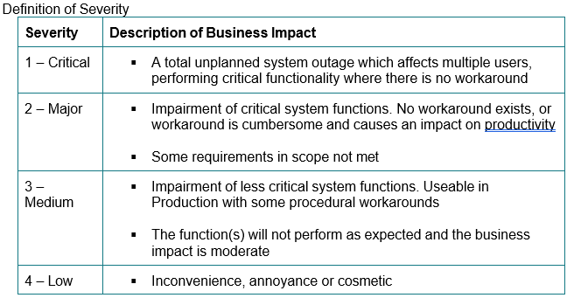 The bidder shall comply with the acceptance criteria proposed below
27 | ON-SITE/OFFSITE (CLOUD) SOLUTION INTEGRATION | Bidder shall provide an on-site/offsite implementation team during the project the analysis, low- level design, implementation and testing. The proposed solution complies with this requirement.
28 | MIGRATION STRATEGY | The bidder shall be responsible during migration of data dry runs and actual migration up by providing the migration strategy, tools and resources required to carry out this exercise. Bidder should propose the actual migration instances required before the actual migration. Actual migration, including reconciliation of migrated data, is to be done by the bidder.The proposed solution complies with this requirement.

